KNN Neighbor Parameter
KNN - K Nearest Neighbors - Classification

K-Nearest Neighbors The KNN algorithm assumes that similar things exist in close proximity. In other words, similar things are near to each other.Basically The main assumption is these no of category which are lying in close proximity (even in terms of probability) the better will be the chances.

TEST ACCURACY AND TRAIN ACCURACY(Overfitting Vs Underfitting) -->The problem can be solved by tuning the value of n_neighbors parameter. As we increase the number of neighbors, the model starts to generalize well, but increasing the value too much would again drop the performance. -->Therefore, it’s important to find an optimal value of K, such that the model is able to classify well on the test data set. Let’s observe the train and test accuracies as we increase the number of neighbors. -->We can see in Training Set due to Overfitting of Data It Become More Cluttered against the test Data which is Perfectly fitted against training data & yielding best accuarcy . There is Scope Of Improvement the results by fine-tuning the number of neighbors. Also, the decision boundary by KNN now is much smoother and is able to generalize well on test data.

The above result can be best visualized by the following plot.

All Hyper Parameters For Kneighbors

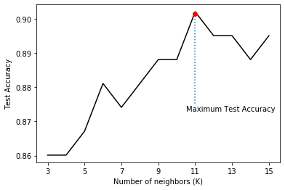 1. Parameter -->n_neighbors -->When the value of K or the number of neighbors is too low, the model picks only the values that are closest to the data sample, thus forming a very complex decision boundary as shown above. Such a model fails to generalize well on the test data set, thereby showing poor results. -->The problem can be solved by tuning the value of n_neighbors parameter. As we increase the number of neighbors, the model starts to generalize well, but increasing the value too much would again drop the performance. -->Therefore, it’s important to find an optimal value of K, such that the model is able to classify well on the test data set. Let’s observe the train and test accuracies as we increase the number of neighbors. PL SEECONCLUSION IN GOOGLE COLAB.WE HAVE DONE THIS IN K N NEIGHBOUR REGRADING CHANGE IN ACCURACY IN RESPECT TO CHANGE IN K (value).

2.Parameter --> Weights{‘uniform’, ‘distance’} or callable, default=’uniform’ Weight function used in prediction. Possible values: -->‘uniform’ : uniform weights. All points in each neighborhood are weighted equally. -->‘distance’ : weight points by the inverse of their distance. in this case, closer neighbors of a query point will have a greater influence than neighbors which are further away. -->[callable] : a user-defined function which accepts an array of distances, and returns an array of the same shape containing the weights. (Basically it mean we can create our own parameter by weighs(callable) instead of relying on preceding parameter that is weights(uniform,distance). ===>In weighted kNN, the nearest k points are given a weight using a function called as the Distance function. The intuition behind weighted kNN, is to give more weight to the points which are nearby and less weight to the points which are farther away.PL SEECONCLUSION IN GOOGLE COLAB.

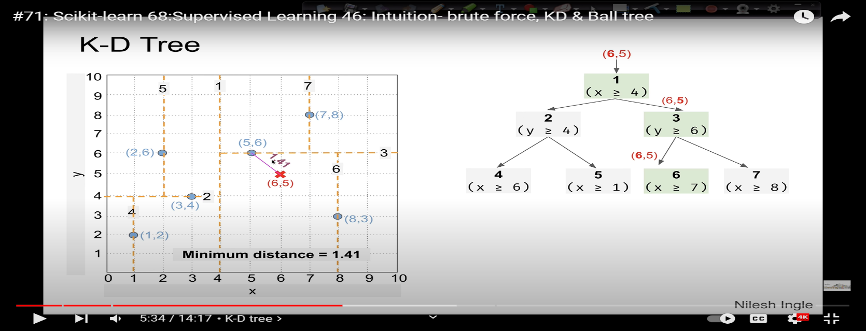 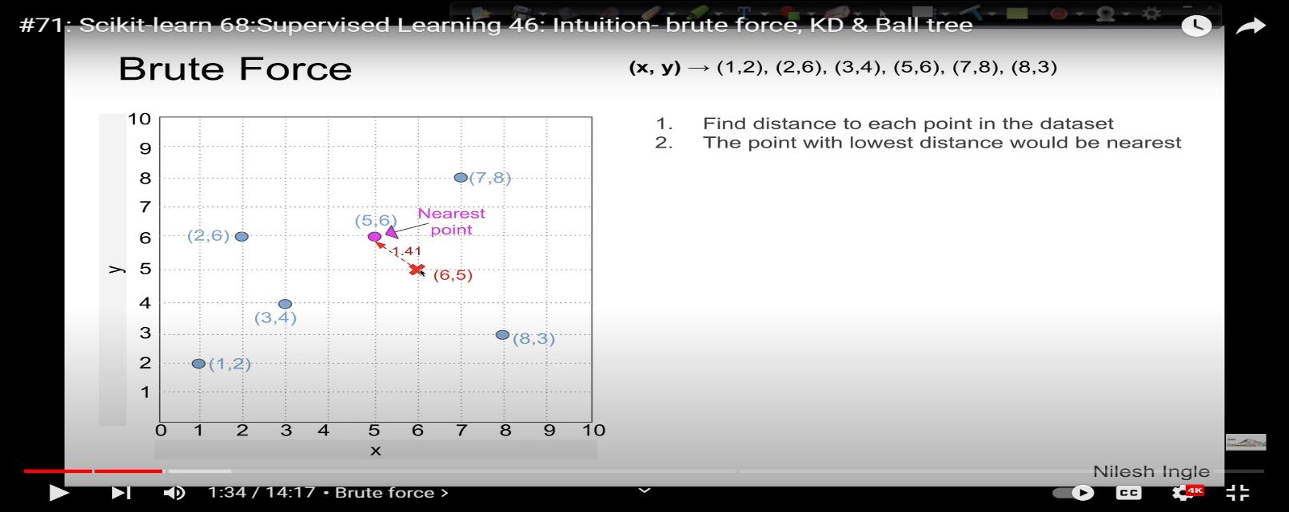 3.Parameter --> algorithm{‘auto’, ‘ball_tree’, ‘kd_tree’, ‘brute’}, default=’auto’ Algorithm used to compute the nearest neighbors:** ---->‘ball_tree’ will use BallTree ---->‘kd_tree’ will use KDTree ---->‘brute’ will use a brute-force search. ---->‘auto’ will attempt to decide the most appropriate algorithm based on the values passed to fit method <-Here is the Link From You Tube Regarding Algorithm ->https://www.youtube.com/watch?v=FnJj28u7rF0&t=92s ====>Note: fitting on sparse input will override the setting of this parameter, using brute force. 4.Parameter-->Leaf_sizeint, default=30 Leaf size passed to BallTree or KDTree. This can affect the speed of the construction and query, as well as the memory required to store the tree. The optimal value depends on the nature of the problem. Obviously Ball Tree and Kd Tree is basically DECISION TREE That's why we need to Put Leaf size in order to trimmed it That's why parameter of Decision Tree is Used here.

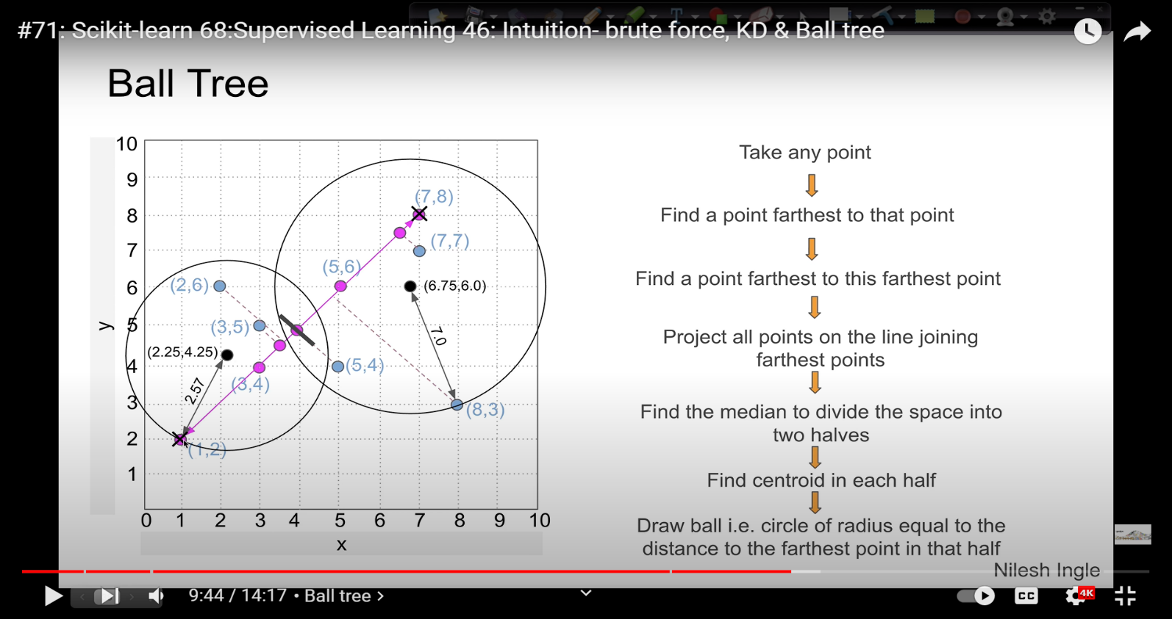

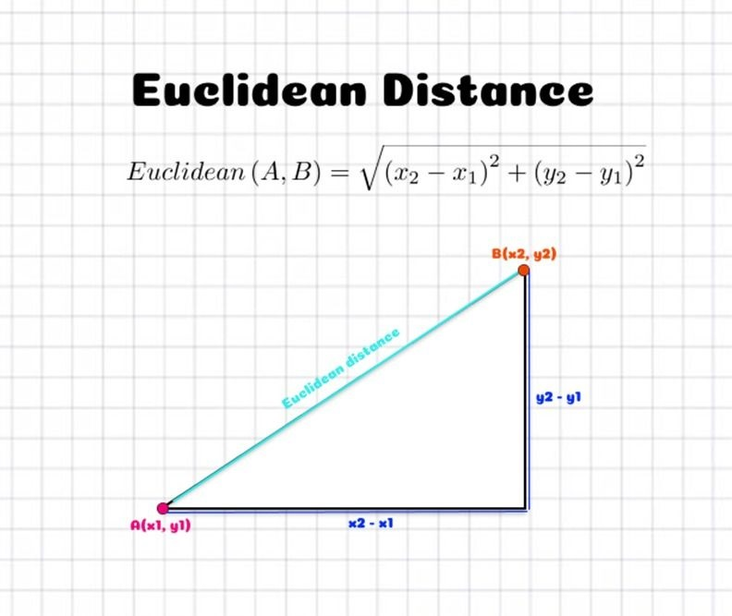 4.Parameter --> p : int, default=2 Power parameter for the Minkowski metric. When p = 1, this is equivalent to using manhattan_distance (l1), and euclidean_distance (l2) for p = 2. For arbitrary p, minkowski_distance (l_p) is used.** -->Minkowski Metric--> Is Basically Generalization of Both (Manhattan & Euclidian Distance Metric.** -->Manhattan distance is calculated as the sum of the absolute differences between the two vectors. The Manhattan distance is related to the L1 vector norm and the sum absolute error and mean absolute error metric( Basically in Lay man term it sounds like & Reckoned Like Pythagoras Theorem. -->The Euclidean distance formula, as its name suggests, gives the distance between two points (or) the straight line distance. Let us assume that (x1 ,y1) & (x2,y2) are two points in a two-dimensional plane. Here is the Euclidean distance formula. g

5.Parameter -->metric -->str or callable,default=’minkowski -->Metric to use for distance computation. Default is “minkowski”, which results in the standard Euclidean distance when p = 2. See the documentation of scipy.spatial.distance and the metrics listed in distance_metrics for valid metric values.** -->If metric is “precomputed”, X is assumed to be a distance matrix and must be square during fit. X may be a sparse graph, in which case only “nonzero” elements may be considered neighbors.** -->If metric is a callable function, it takes two arrays representing 1D vectors as inputs and must return one value indicating the distance between those vectors. This works for Scipy’s metrics, but is less efficient than passing the metric name as a string.

